시트1
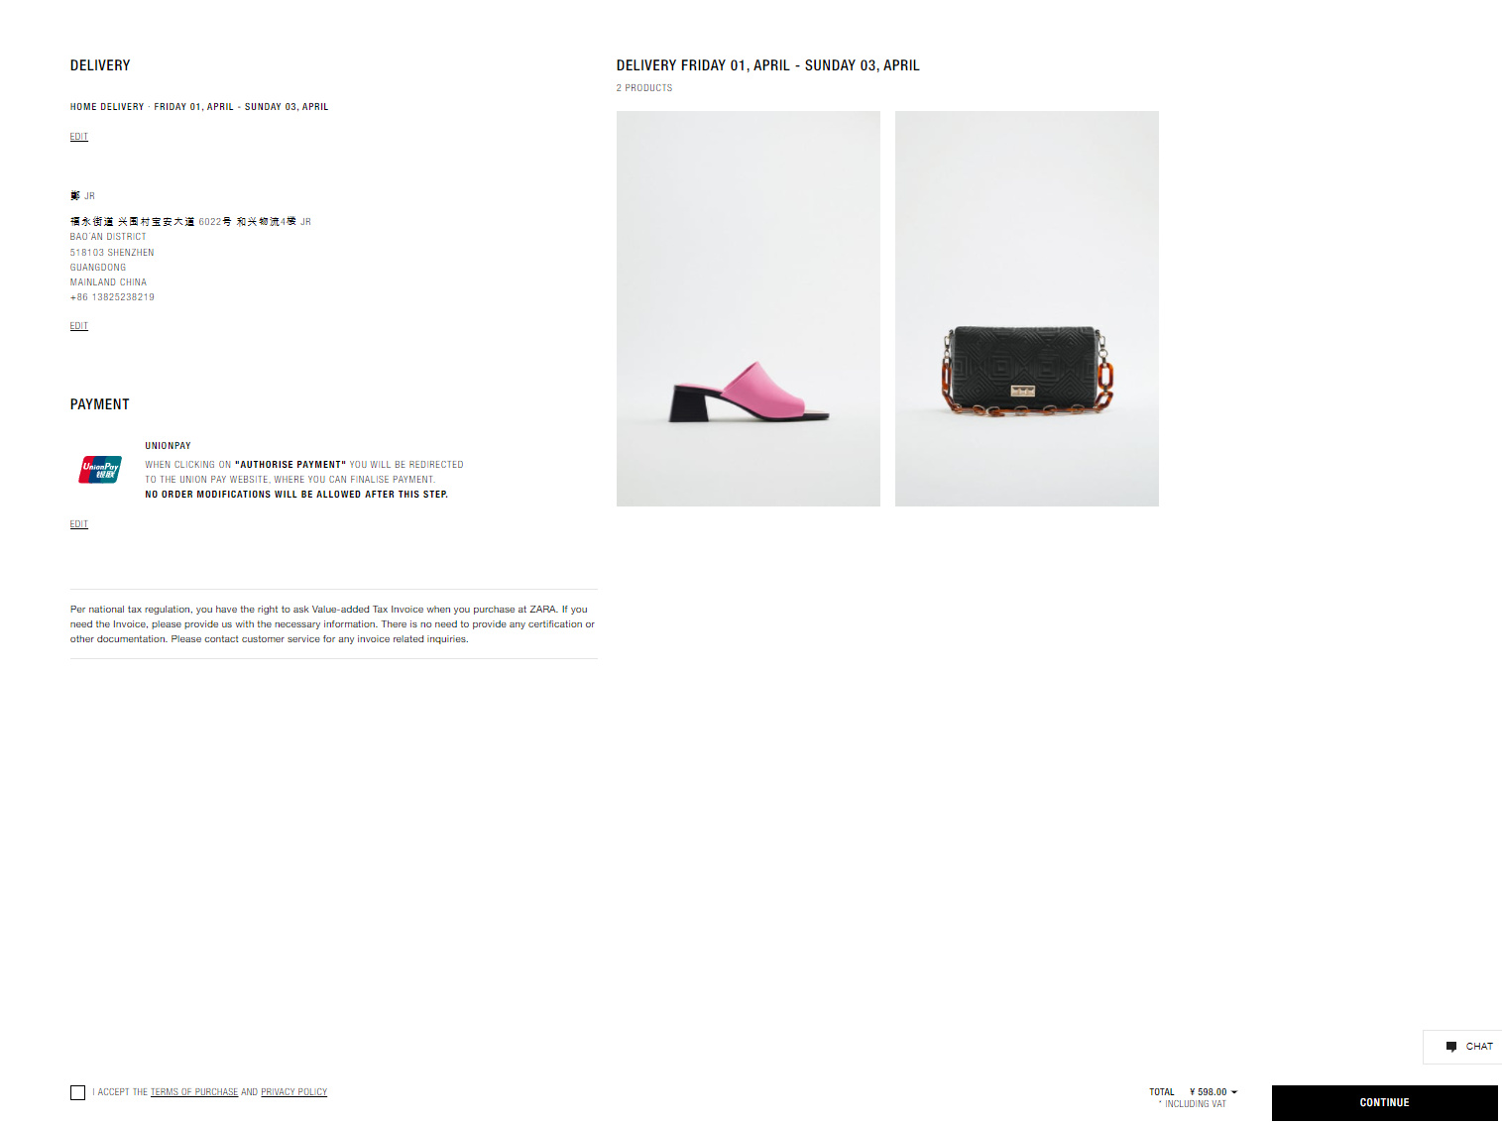
 | https://www.superbuy.com/en/
 | I expected this website, but if it's difficult to organize it like that, it seems better to go extremely simple.
 | Here's my suggestion. (almost from zara.com)
 | The internally used website admin does not matter what appearance it is as long as it does not have a problem with its function.
 | However, at least make the website appearance as requested below.

1 | APPERANCE

1-1 | Header (NOT LOGED IN

1-2 | Header (LOGED IN)
 |  |  | USER NAME | (COUNT PRODUCT IN CART)

1-3 | Main - form website I made for let you know
 | from | https://bbabae.webflow.io/


1-4 | footer (NOT LOGED IN)

 | footer (LOGED IN)

 |  |  |  |  |  |  |  | English | 한국어 |  | $ | ₩

1-5 | product page
 | https://www.zara.cn/cn/en/leather-sandals-p13316910.html?v1=146028732&v2=2026736
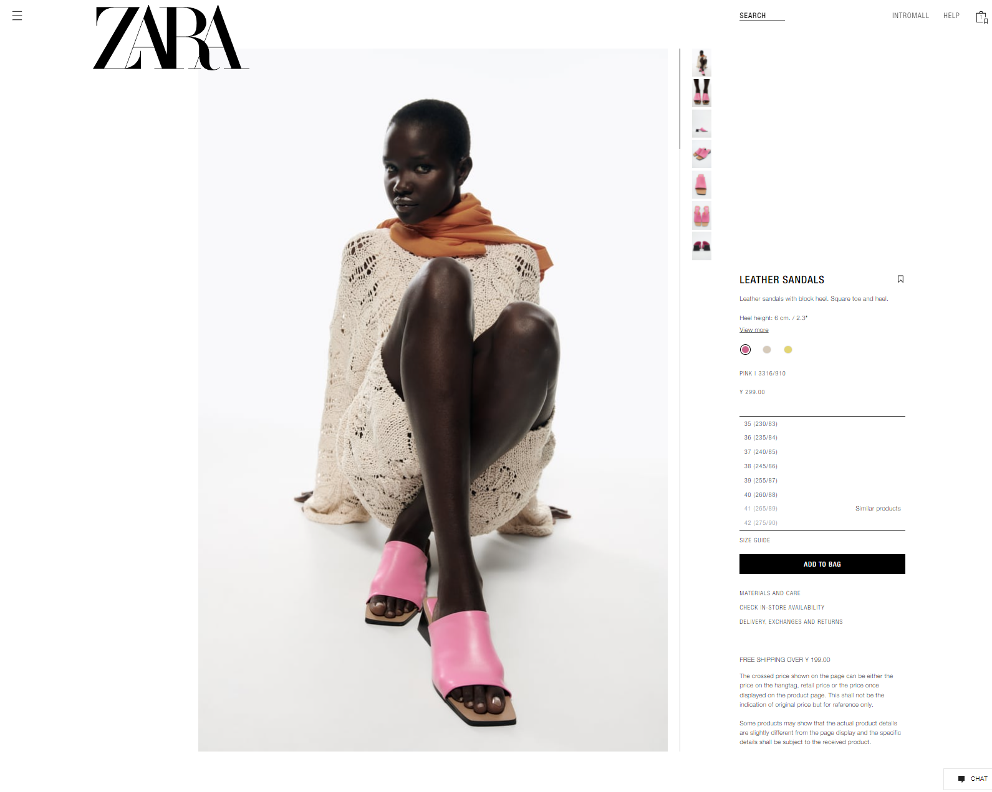

 |  |  |  |  |  |  | price

 |  |  |  |  |  |  | producr name with 2row

 |  |  |  |  |  |  | option 1 | mostly color | 颜色分类

 |  |  |  |  |  |  | if selected option change option tag

 |  |  |  |  | option 2 |  | option 2 | mostly size | 尺码

 |  |  |  |  |  |  | sometimes ther are only 1 option then just create option 1 section

 |  |  |  |  |  |  | to cart

 |  |  |  |  |  |  | domestic shipping charge
 |  |  |  |  |  |  | if not("may be an additional domestic shipping fee or free")

1-6 | cart
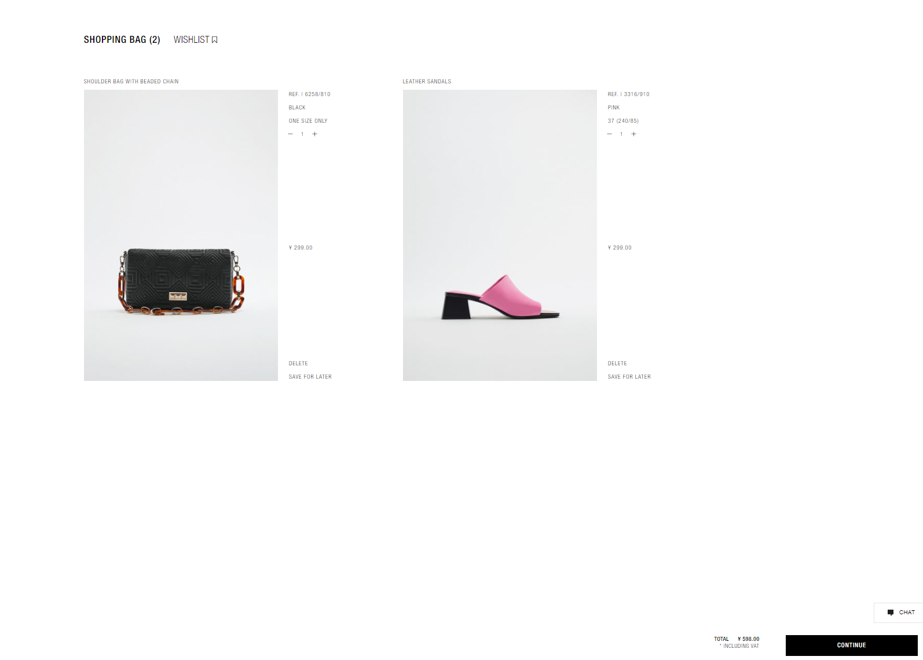

 |  |  |  |  |  | product name
 |  |  |  |  |  |  |  | option1
 |  |  |  |  |  |  |  | option2 | if not("one size only")

 |  |  |  |  |  |  |  | Quantity | (with + - )

 |  |  |  |  |  |  |  | price

 |  |  |  |  |  |  |  | delete

 |  |  |  |  |  |  |  |  |  | chat
 |  |  |  |  |  |  |  | total | price
 |  |  |  |  |  | "domestic shipping fee+agent fee will be add" |  |  |  | continue

1-7 | send purchase order
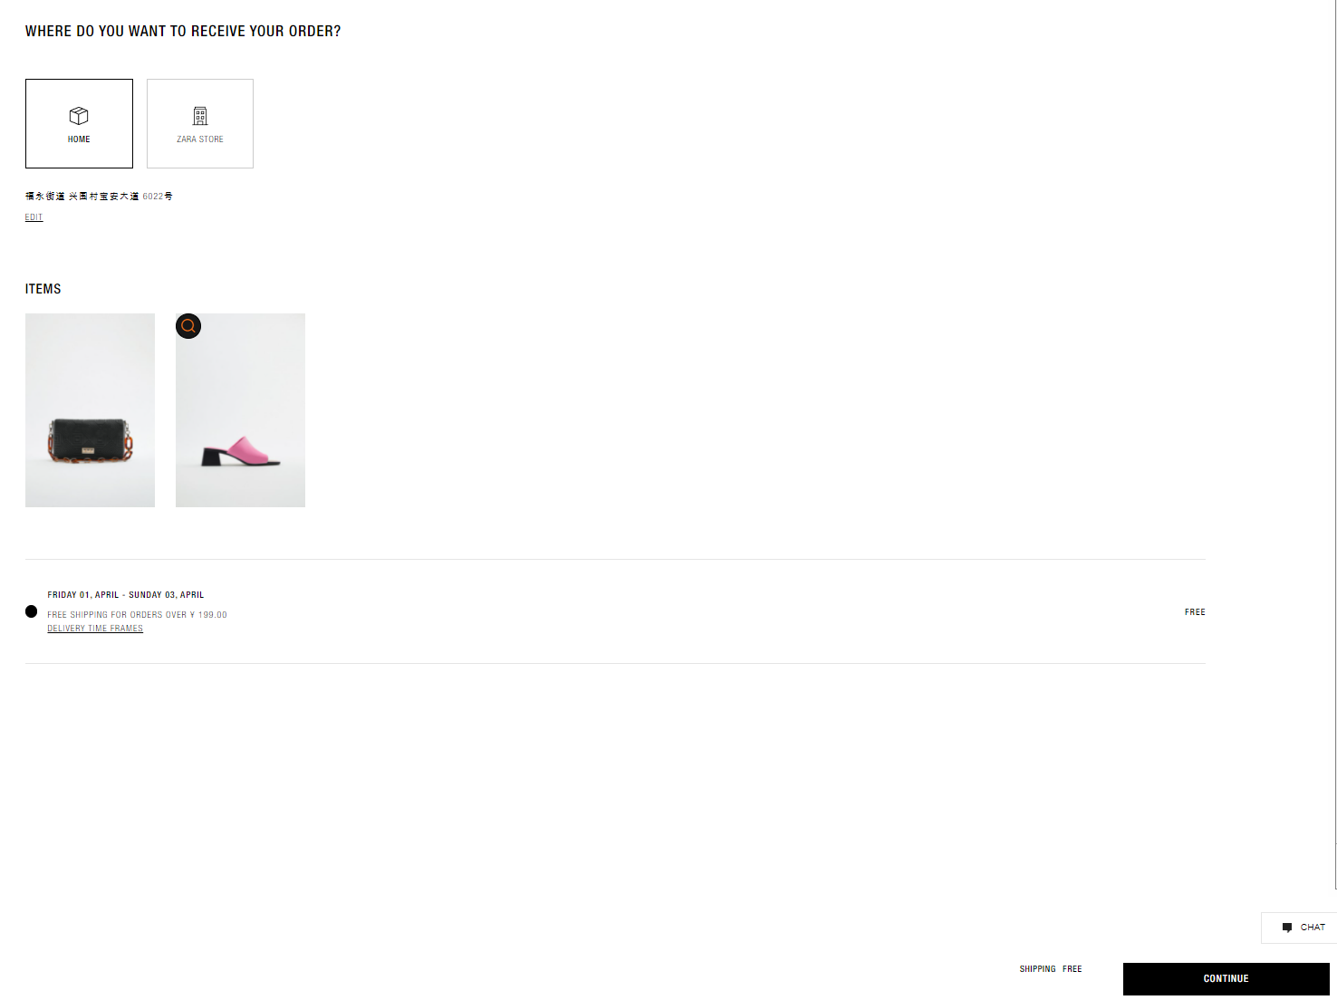

 |  |  |  |  |  |  |  | to me
 |  |  |  |  |  |  |  | prefill basic adress where user set in profile

 |  |  |  |  |  |  |  | for another
 |  |  |  |  |  |  |  | popup sidebar like below
 |  |  |  |  |  |  |  | and user can select, edit or new adress



don't need this section in 1-7

this section will be add in 1-10

we will use this section for

domestic shipping charge
& agent fee

1-8 | checking stock and domestic charge
 | maybe in our admin pannel

1-9 | user admin(when click purchase)
 | in here user can see progress of order)

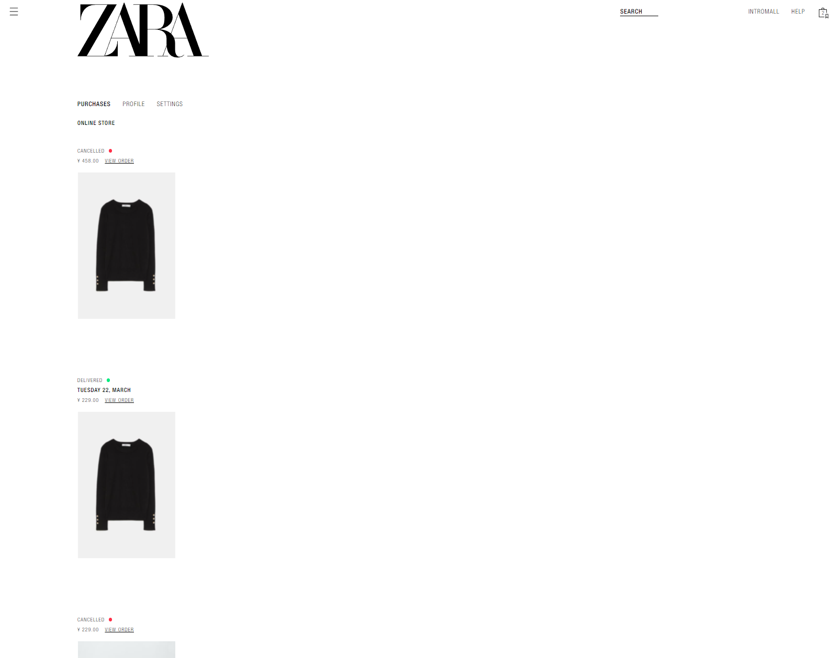

order date or
progress update date



 | Requested - after user action (after 1-7)

 | Checking purchase - after agent action(1-8)

 | Purchase order payment - after agent action (add domestic charge and agent fee)

 | We are checking - agent action (may be in admin penel Q/C and upload photo)
 | Various situations may occur (product defects, waiting for the entire product to arrive, etc.)
 | The above process must be handled by the admin panel.
 | Each customer's order includes orders from different shops.(Each product should be able to receive and track by entering the tracking number in China.)

 | Shipping charge payment-agent action (measuring weight and size when all issues are resolved and the product is packed)

 | Delivery in progress.

 | Complete

 | user admin(when click profile)
 | in here user can can change user can change profile)

 | https://www.zara.cn/cn/en/user/account/profile


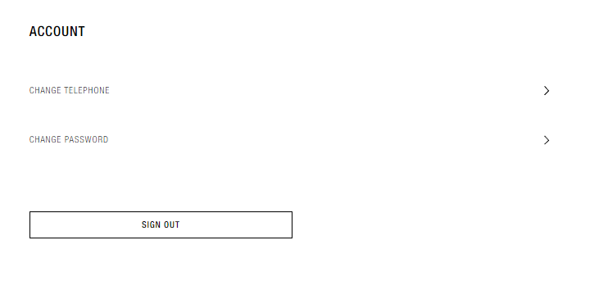
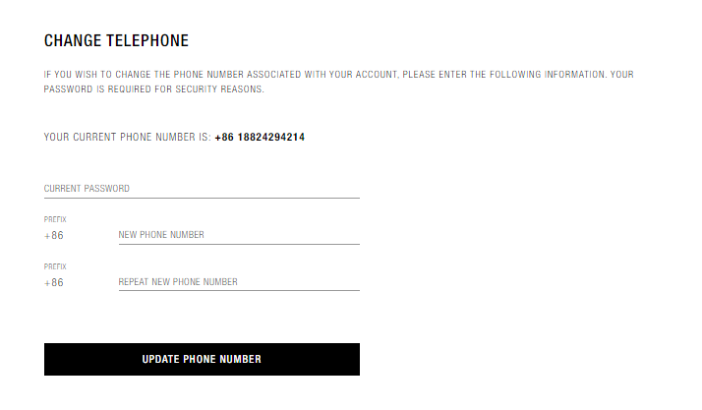
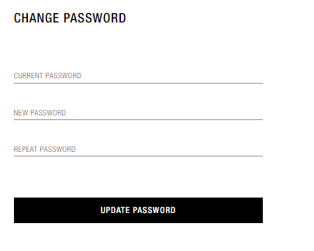

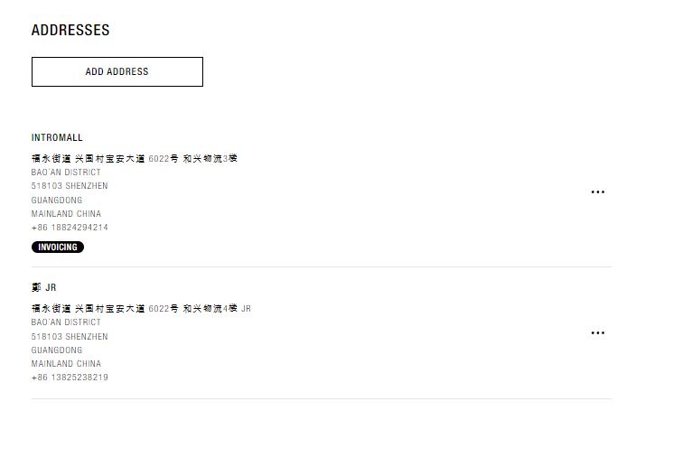
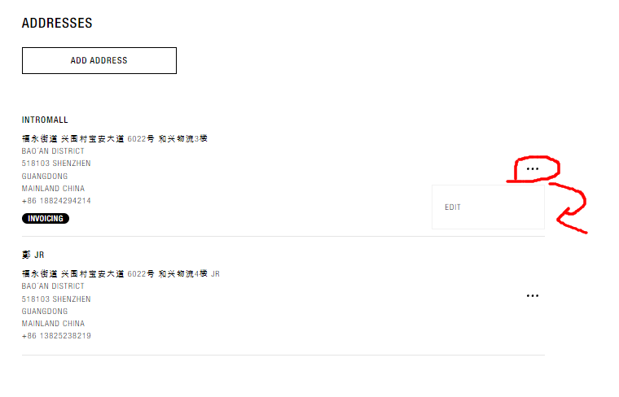
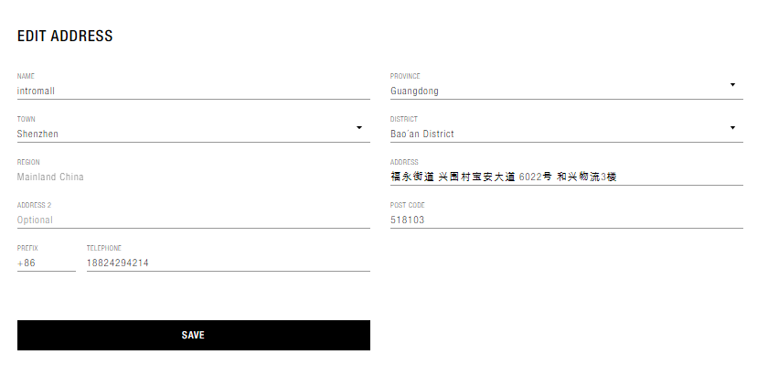

1-10

 |  |  |  |  |  |  |  | total price

add domestic charge
and agent fee

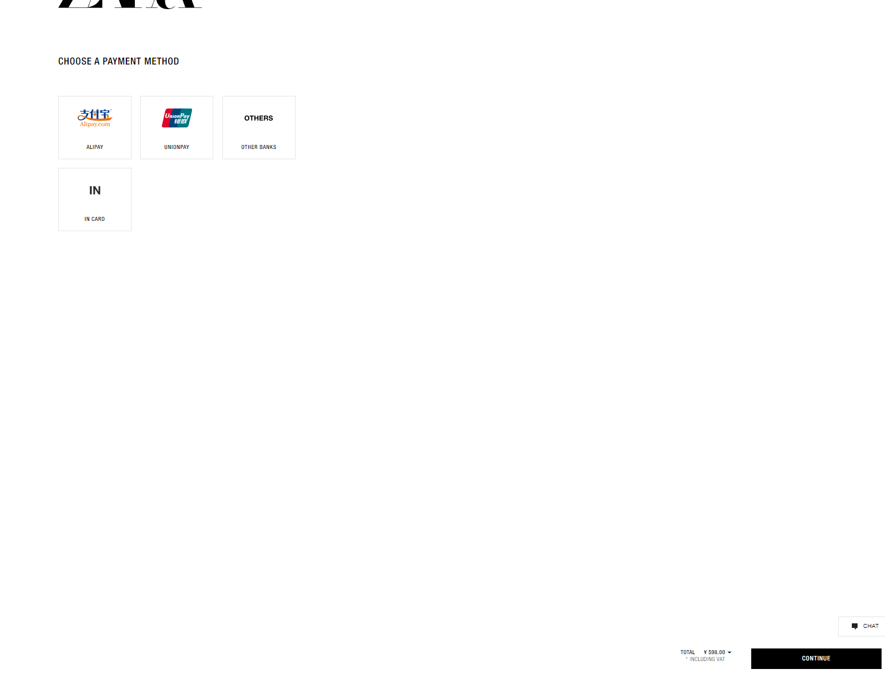

 |  |  |  |  |  |  |  |  |  | paypal,stripe,card

 |  |  |  |  |  |  |  |  |  | account balance

 |  |  |  | total price with product, domestic charge, agent fee

